Test Case 2
TC Title: | TC2.In System Interface (inbound)

TC Objective: | Verify that the website correctly receives and processes both the tokenized credit card data and validation responses from the Stripe API

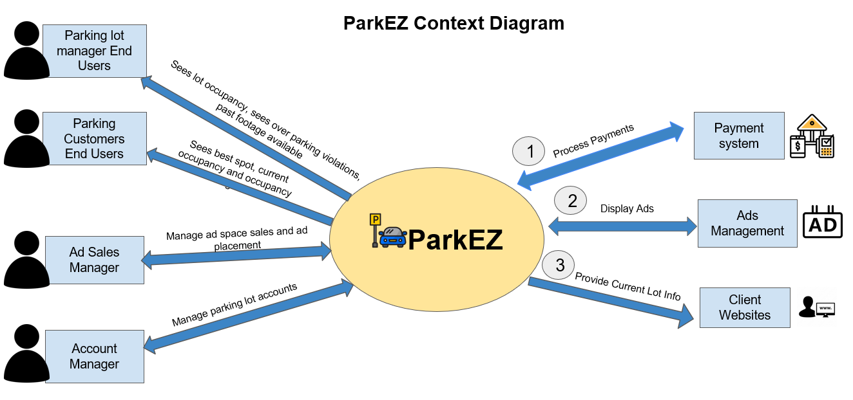
Note: | Since we are checking backend validation, rather than paying invoices in this crosscut, validation consists of ensuring the interfaces transmits incorrect (but well formed) cards to payment system and returns with an error indication.
TC Description
 | Step | Step Description | Expected Results
 | 1 | Input a well-formed but non-existent credit card number (the number adheres to credit card format but is not valid in Stripe's validation) (e.g. 4242 4242 4242 4241) | System displays an error notification (card number turns red) indicating the card number is not recognized or valid.
 | 2 | Navigate to Customer (matching customer id below): https://dashboard.stripe.com/test/customers/<Customer_id> | Confirm fake card was not registered under "Payment method" under "Overview"
 | 3 | Input a valid and existent credit card number (see below) | System successfully validates the card and navigates to a success screen indicating card acceptance. Confirm new card has been added.
 | 4 | Navigate to Customer (matching customer id below): https://dashboard.stripe.com/test/customers/<Customer_id> | Confirm fake card was registered under "Payment method" under "Overview"

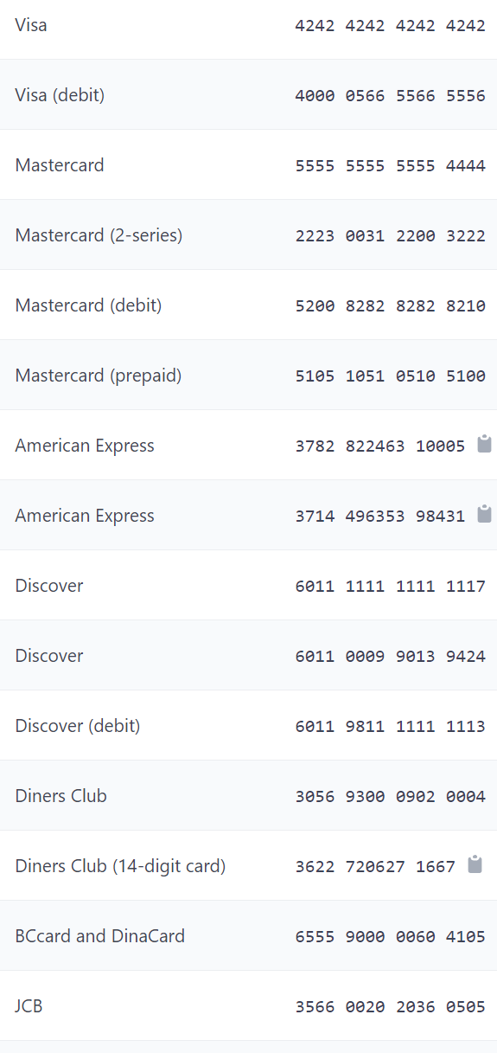
 |  | In our current QA environment | Stripe Fake Credit Cards (valid with all dates and CVCs)
 |  | Customer_id is cus_OmI33gnfCxqxG6 for advertiser@example.com
 |  | Customer_id is cus_OmI4R9FT0VEl3c for business@example.com

 |  | In our current QA environment
 |  | Customer_id is cus_OmI33gnfCxqxG6 for advertiser@example.com
 |  | Customer_id is cus_OmI4R9FT0VEl3c for business@example.com

 |  | Stripe Login
 |  | email: tc10815p@pace.edu
 |  | pass: Raccoon1!Raccoon1!

